Sheet1
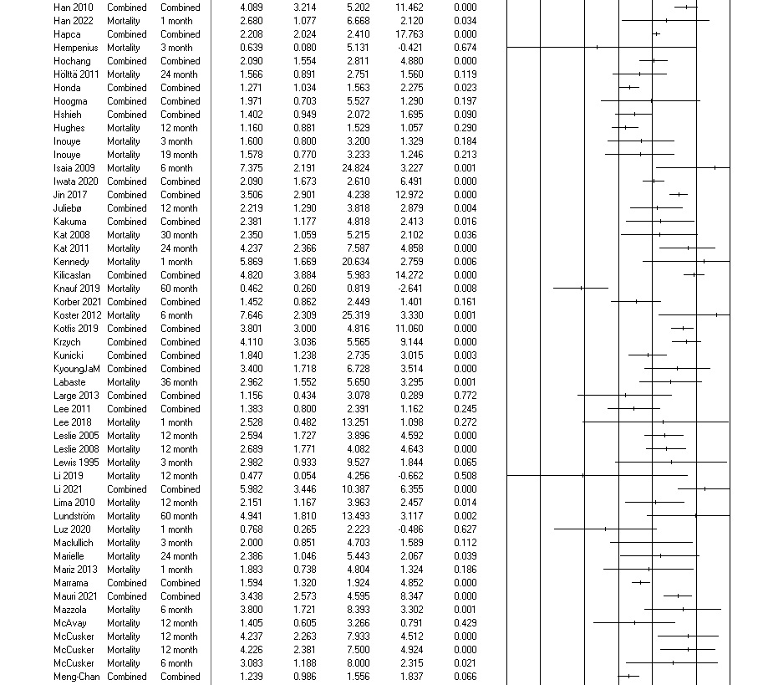
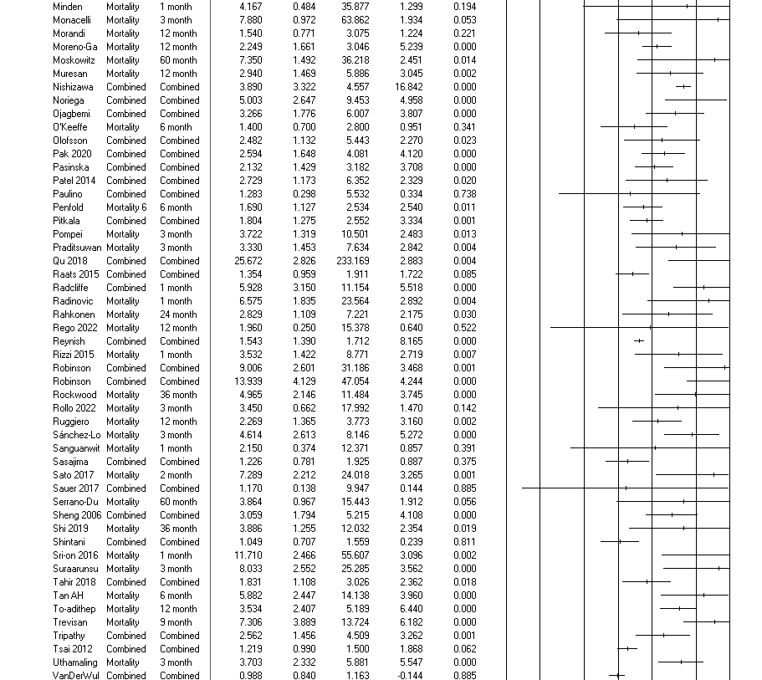
Outliers analyses |  |  | The prediction interval: CMA description

 | N.B: categories not presented when outlier not observed | Criteria | If we assume that the true effects are normally distributed (in log units), we can estimate that the prediction interval is 0.810 to 5.807. The true effect size in 95% of all comparable populations falls in this interval.
 |  |  | I consider an outlier if it is outside of the prediction interval and through observation
Objective>>change>>continuous |  |  |  | Outliers

 |  |  |  |  | Articles | Outcome | Month | g
 |  |  |  |  | Krogseth 2016 | Cognitive change | 12 month | -0.783

Outliers removed results

Objective>> performance>>continuous

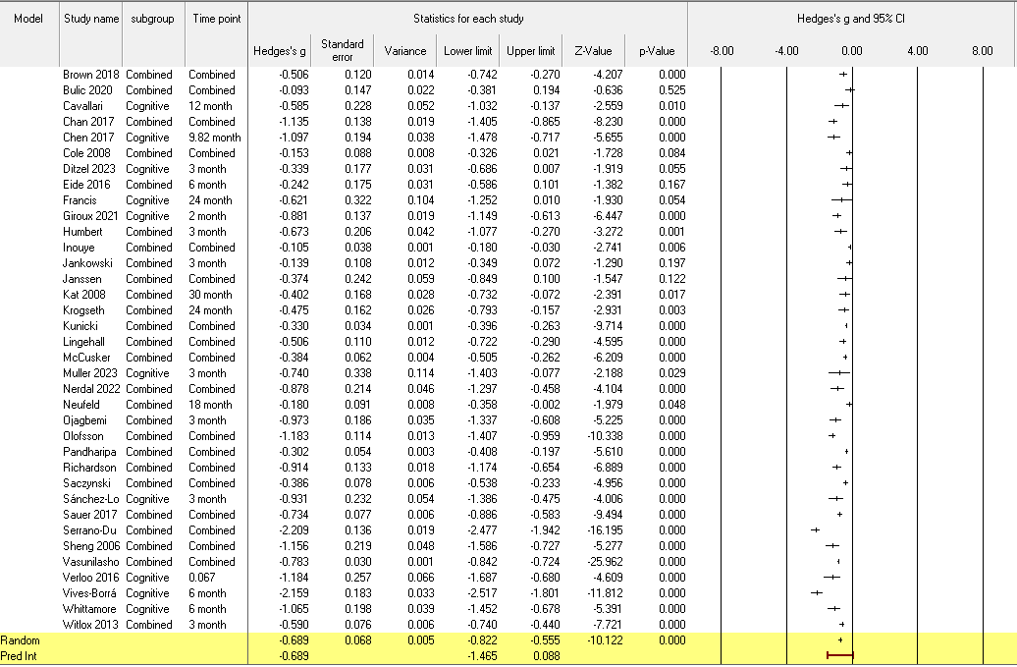

 |  |  |  |  |  | Outliers
 |  |  |  |  |  | Articles |  | Month | Hedges'g
 |  |  |  |  |  | Serrano-Duenas 2005 | Cognitive performance | Combined | -2.21
 |  |  |  |  |  | Vives-Borrás 2019 | Cognitive performance | 6 month | -2.16

Outliers removed results
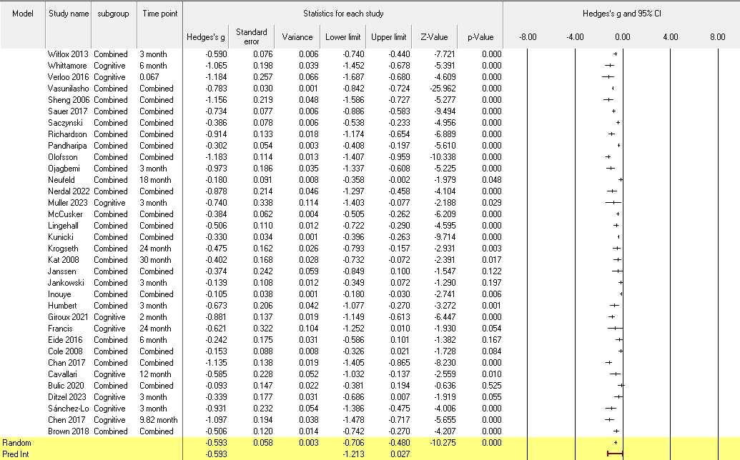

Functional change>>categorical
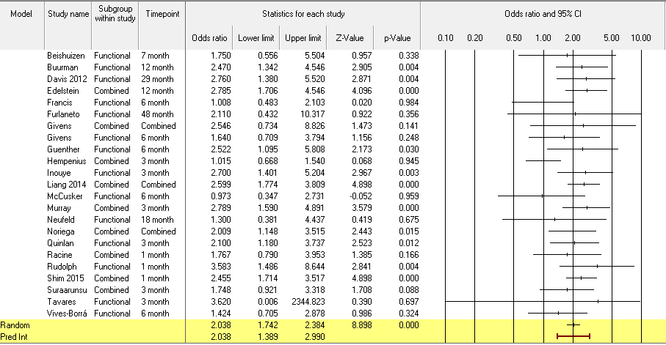
 |  |  |  |  |  | Articles | Outcome | Month | OR
 |  |  |  |  |  | Tavares 2021 | Functional decline | 3 month | 3.6 | The confidence interval is very wide because the study only reported OR without a confidence interval and we transformed the data

Outliers removed results
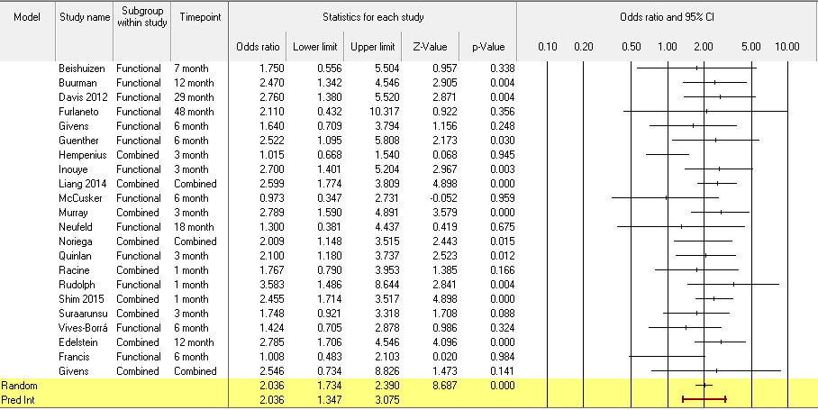

Functional change>>Continuous

 |  |  |  |  |  | Articles | Outcome | Month | Hedges'g
 |  |  |  |  |  | Isaia 2009 | Functional impairment | 6 month | -2.38

Outliers removed results

Functional performance>>categorical
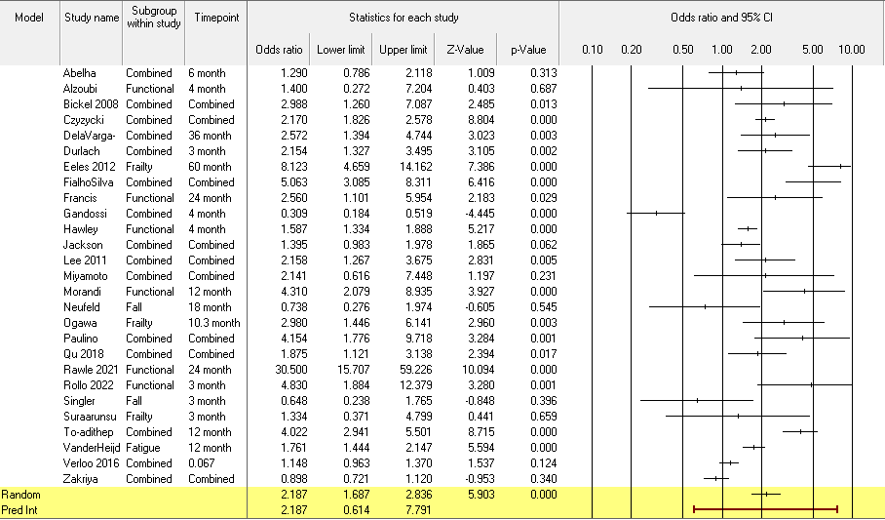
 |  |  |  |  | Articles | Outcome | Month | Hedges'g
 |  |  |  |  | Rawle 2021 | Functional impairment | 24 month | 30.5

Outliers removed results



Functional performance>>continuous
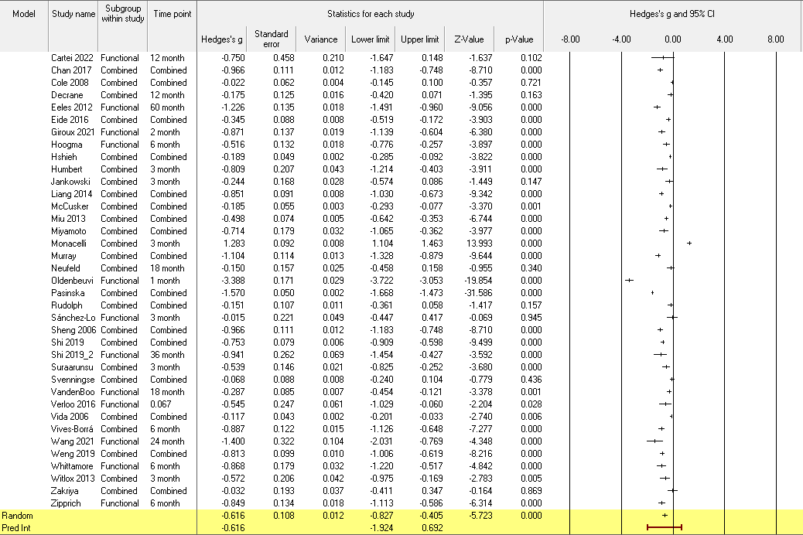

 |  |  |  |  |  | Articles | Outcome | Month | Hedges'g
 |  |  |  |  |  | Oldenbeuving 2011 | Functional impairment | 1 month | -3.39
 |  |  |  |  |  | Monacelli 2018 | Functional impairment | 3 month | 1.28

Outliers removed results
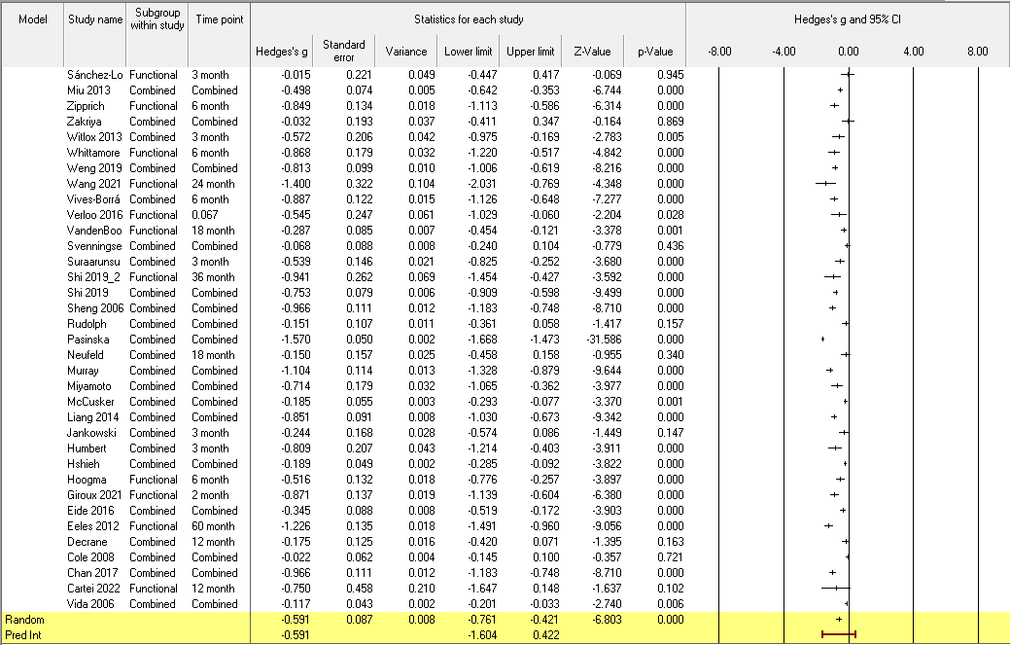

Quality of life

Caegorical

 |  |  |  |  | Outliers
 |  |  |  |  | No outlier observed

Quality of life

Continuous
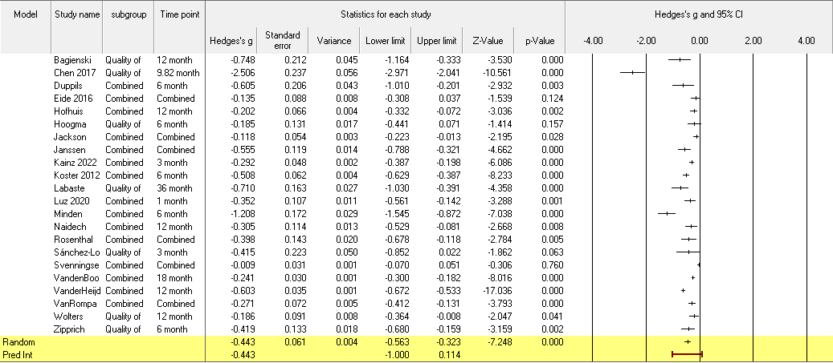
 |  |  |  |  |  | Outliers
 |  |  |  |  |  | Articles | Outcome | Month | Hedges'g
 |  |  |  |  |  | Chen 2017 | Quality of life | 9.82 month | -2.51

Outliers removed results
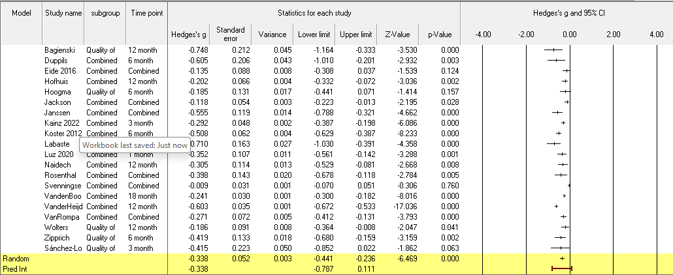

Mental health

Categorical
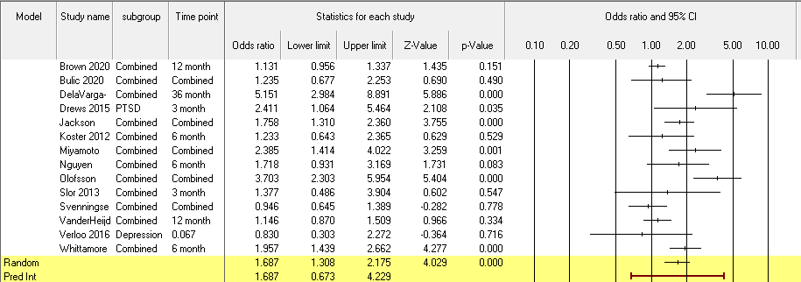

 |  |  |  |  | Outliers
 |  |  |  |  | No outlier observed

Outliers removed results
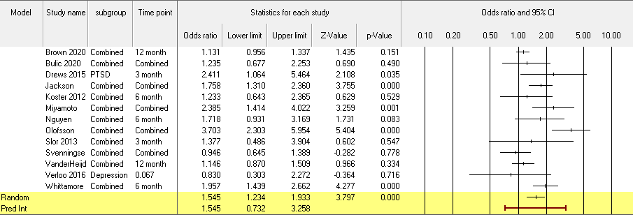

Mental health

Continuious

 |  |  |  |  |  | Outliers
 |  |  |  |  |  | No outlier observed

Dementia
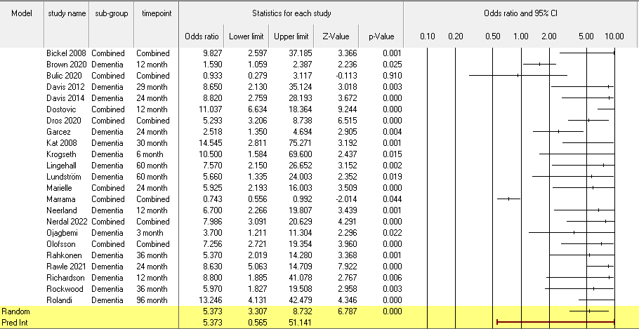
 |  |  |  |  | Outliers
 |  |  |  |  | Articles | Outcome | Month | OR
 |  |  |  |  | Olofsson 2018 |  | < 6months and >6-12 month

Institutionalisation

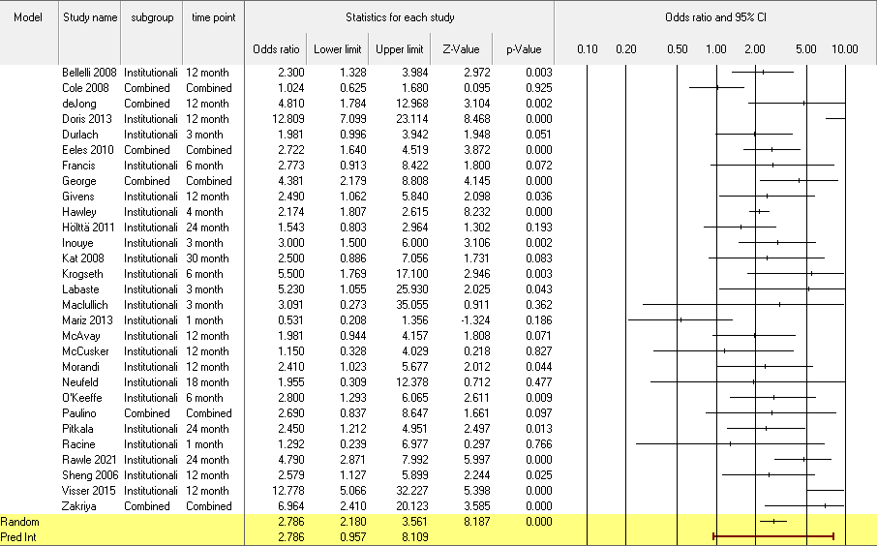

 |  |  |  |  |  | Outliers
 |  |  |  |  |  | No outlier observed

Readmission

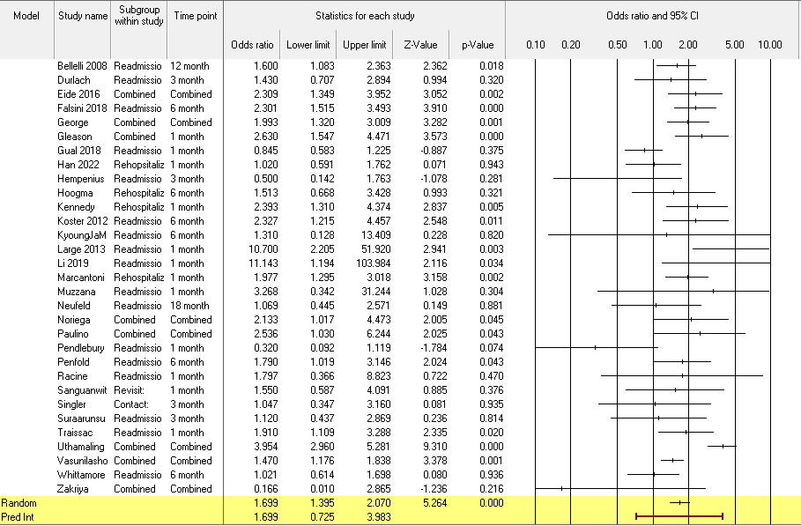

 |  |  |  |  | Outliers
 |  |  |  |  | No outlier observed

Mortality
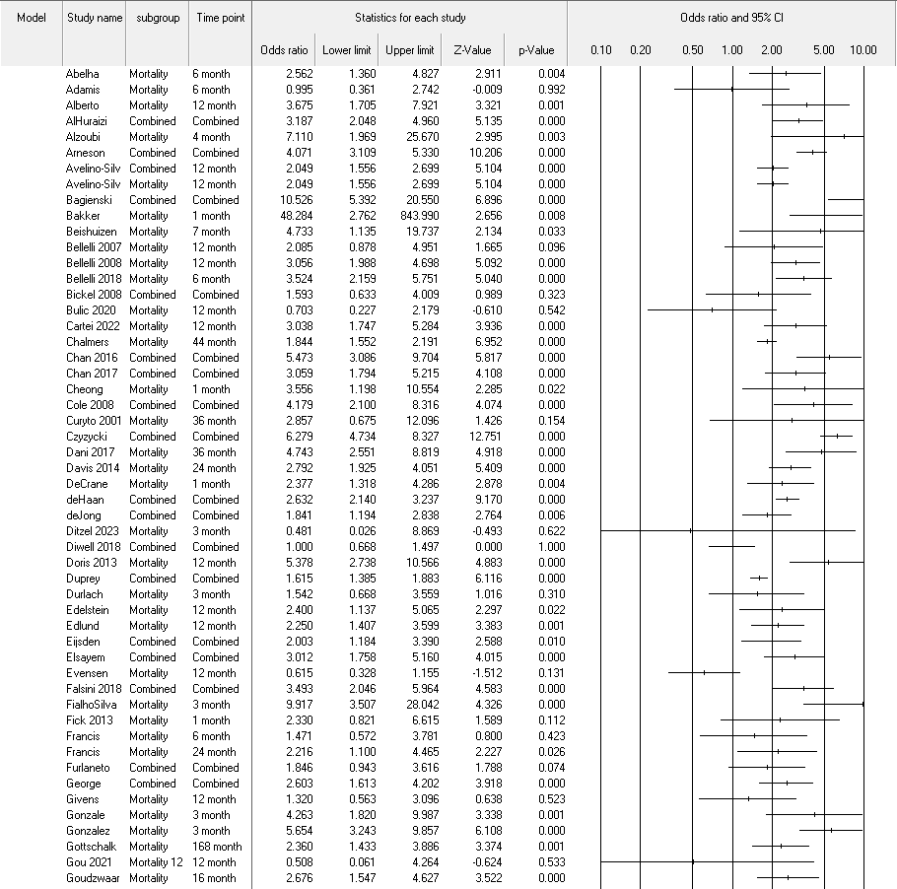

 |  |  |  |  | Outliers
 |  |  |  |  | Articles | Outcome | Month | OR
 |  |  |  |  | Bagienski 2017 | Mortality | Combined | 10.53
 |  |  |  |  | Bakker 2012 | Mortality | 1 month | 48.28
 |  |  |  |  | Qu 2018 | Mortality | Combined | 25.67

